Sheet1
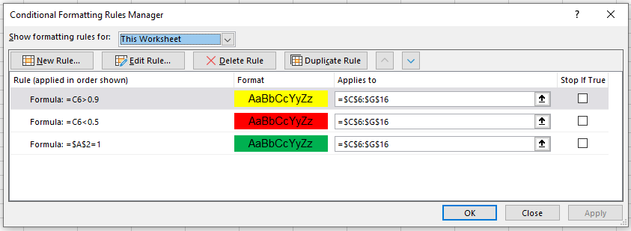
The conditional format applied in any cell is the first TRUE format!
G:\FIN MATH Web FALL 2025\[Conditional Format Rules.xlsx]Sheet1

1 | <--Green if 1
 |  | Yellow if cell below > .9
 |  | Red if cell below < .5

 |  | 0.3901 | 0.7225 | 0.3242 | 0.9147 | 0.5315
 |  | 0.1159 | 0.3932 | 0.0259 | 0.5876 | 0.9524
 |  | 0.0108 | 0.6834 | 0.9203 | 0.9247 | 0.4504
 |  | 0.9210 | 0.5051 | 0.4350 | 0.2585 | 0.5265
 |  | 0.1641 | 0.4323 | 0.7673 | 0.7776 | 0.3448
 |  | 0.1214 | 0.6087 | 0.2080 | 0.2500 | 0.6196
 |  | 0.7924 | 0.2282 | 0.6199 | 0.5202 | 0.1988
 |  | 0.4200 | 0.4945 | 0.5179 | 0.0534 | 0.2679
 |  | 0.1604 | 0.7651 | 0.0305 | 0.3264 | 0.1893
 |  | 0.0153 | 0.9132 | 0.9704 | 0.1492 | 0.0116
 |  | 0.9043 | 0.4788 | 0.5344 | 0.4707 | 0.3237

Order of rules is important!
 | Putting last rule first makes all cells green if A3=1

